Fundraising Thermometer

F U N D R A I S I N G T H E R M O M E T E R

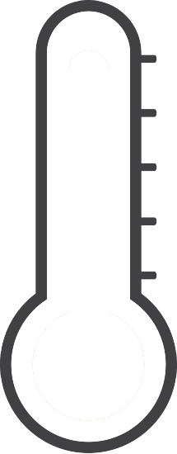

 | Goal: | $10,000 | 100%
 | Achieved: | $8,000 | 80%

